Glass_DU
3 | 4 | 5 | 6 | 7 | 8 | 9 | 10 | 11 | 12 | 13 | 14

 |  |  |  |  |  |  |  |  | PROCES GEGEVENS OP MAL GEWIKKELD WAVISTRONG T-STUK CB/CB-CB
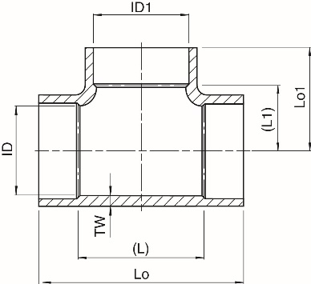

Binnendiameter (mm) | ID | x | ID1 | = | 400 | x | 400
Nominale drukklasse |  | PN | (bar) | = |  | 16
Wanddikte |  | Tw | (mm) | = |  | 11.1
 |  | (L) | (mm) | = |  | 560 |  |  |  |  |  |  |  |  |  |  |  |  | Breedte (B)
 |  | (L1) | (mm) | = |  | 280
 |  | Lo | (mm) | = |  | 764
 |  | Lo1 | (mm) | = |  | 382 |  |  |  |  |  |  |  |  |  |  | Lengte (L)

LAMINEERSTAP |  | 1 |  |  | 2 |  |  | 3 |  |  | 4 |  |  | 5 |  |  | 6 |  |  | 7

WEEFSEL TYPE (g/m2) |  | 30 |  |  | 30 |  |  | 360 |  |  | 360 |  |  | 360 |  |  | 360 |  |  | 360

LENGTE (L) x BREEDTE (B) | 1200 | x | 570 | 200 | x | 200 | 1200 | x | 570 | Breedte (B) |  | 50 | 280 | x | 570 | 1430 | x | 760 | Breedte (B) |  | 100
[mm] x [mm]
AANTAL / CYCLUS (-) |  | 2 |  |  | 4 |  |  | 1 |  |  | 120 | m |  | 8 |  |  | 4 |  |  | 60 | m

AANTAL CYCLI (-) |  | 1 |  |  | 1 |  |  | 1 |  |  | 1 |  |  | 5 |  |  | 5 |  |  | 5

TOTAAL AANTAL (-) |  | 2 |  |  | 4 |  |  | 1 |  |  | 120 | m |  | 42 | * |  | 20 |  |  | 300 | m
 |  | C-glas Groot |  |  | C-glas Klein |  |  | Grote mat 360 |  |  | Wikkelen |  |  | Kleine mat 360 |  |  | Grote mat 360 |  | Wikkelen
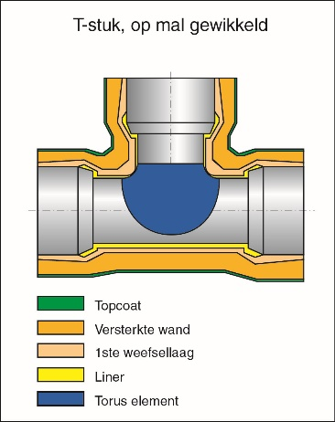
 | ONTW-W51 Hulpstukken
 | Stap 1: C-glas Groot |  |  |  |  |  |  |  | Wijzigingen melden op het formulier en inleveren bij teamleider!
 | Stap 2: C-glas Klein |  |  |  |  |  |  |  | Graag volgnummer noteren.
 | Stap 3: Eerste laag Woven Roving
 | Stap 4: Vastzetten d.m.v. wikkelen Woven Roving
 | Stap 5: Kleine Woven Roving stukken
 | Stap 6: Grote Woven Roving stukken
 | Stap 7: Wikkelen Woven Roving

 | Note: Afbeelding zijn CB/CB-CB als voorbeeld.
 | Note*: 2 additionele kleine weefsel matten. |  |  |  |  |  |  |  |  |  |  |  |  |  |  |  |  |  |  |  | Glass Calculation Fittings | Version 4
 |  |  |  |  |  |  |  |  |  |  |  |  |  |  |  |  |  |  |  |  | 2019-11-20

Glass_Spec_DU
 |  |  |  |  |  |  |  |  | PROCES GEGEVENS OP MAL GEWIKKELD WAVISTRONG T-STUK CB/CB-CB -
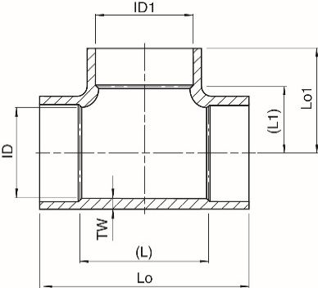

Binnendiameter (mm) | ID | x | ID1 | = | 400 | x | 250
Nominale drukklasse |  | PU/PN | (bar) | = |  | 10/10
Wanddikte |  | Tw | (mm) | = |  | 9
 |  | (L) | (mm) | = |  | 560 |  |  |  |  |  |  |  |  |  |  |  |  | Breedte (B)
 |  | (L1) | (mm) | = |  | 280
 |  | Lo | (mm) | = |  | 726
 |  | Lo1 | (mm) | = |  | 342 |  |  |  |  |  |  |  |  |  |  | Lengte (L)

LAMINEERSTAP |  | 1 |  |  | 2 |  |  | 3 |  |  | 4 |  |  | 5 |  |  | 6 |  |  | 7

WEEFSEL TYPE (g/m2) |  | 30 |  |  | 30 |  |  | 360 |  |  | 360 |  |  | 360 |  |  | 360 |  |  | 360

LENGTE (L) x BREEDTE (B) | 1200 | x | 570 | 200 | x | 125 | 1200 | x | 570 | Breedte (B) |  | 50 | 305 | x | 570 | 1350 | x | 720 | Breedte (B) |  | 100
[mm] x [mm] |  |  |  |  |  |  |  |  |  |  |  |  |  |  |  |  |  |  |  |  |  |  | 6 | 7
AANTAL / CYCLUS (-) |  | 2 |  |  | 4 |  |  | 1 |  |  | 100 | m |  | 8 |  |  | 4 |  |  | 50 | m
 |  |  |  |  |  |  |  |  |  |  |  |  |  |  |  |  |  |  |  |  |  |  | 4 | 2
AANTAL CYCLI (-) |  | 1 |  |  | 1 |  |  | 1 |  |  | 1 |  |  | 4 |  |  | 4 |  |  | 4 |  |  | 0.3 | 0.3

TOTAAL AANTAL (-) |  | 2 |  |  | 4 |  |  | 1 |  |  | 100 | m |  | 34 | * |  | 16 |  |  | 200 | m |  | 1.2 | 0.6 | 1.8
 |  | C-glas Groot |  |  | C-glas Klein |  |  | Grote mat 360 |  |  | Wikkelen |  |  | Kleine mat 360 |  |  | Grote mat 360 |  | Wikkelen

 | ONTW-W51 Hulpstukken
 | Stap 1: C-glas Groot |  |  |  |  |  |  |  | Wijzigingen melden op het formulier en inleveren bij teamleider!
 | Stap 2: C-glas Klein |  |  |  |  |  |  |  | Graag volgnummer noteren.
 | Stap 3: Eerste laag Woven Roving
 | Stap 4: Vastzetten d.m.v. wikkelen Woven Roving
SPECIAAL PRODUCT
 | Stap 5: Kleine Woven Roving stukken
 | Stap 6: Grote Woven Roving stukken
 | Stap 7: Wikkelen Woven Roving

 | Note: Afbeelding zijn CB/CB-CB als voorbeeld.
 | Note*: 2 additionele kleine weefsel matten. |  |  |  |  |  |  |  |  |  |  |  |  |  |  |  |  |  |  |  | Glass Calculation Fittings | Version 4
 |  |  |  |  |  |  |  |  |  |  |  |  |  |  |  |  |  |  |  |  | 2019-11-20

Design Endcap >1500mm
Only for large diameters, generates rectangular Large Woven Roving.
for Length <=1500mm, generate a square Large Woven Roving.
$$Small Woven Roving$$
$$Rk=0.8 ∗ID \\ Rc=0.154 ∗ID \\ α=2∗\sin^{−1}\left(\frac{0.346}{0.646}\right) ≈64.7° (α in radians) \\ β=π−α≈57.6° \left(α,β in radians\right) \\ Knuckle= β∗Rk \\ Width= \sqrt{1.125}∗Knuckle \\ Length=\sqrt{12}∗Knuckle −Width \\ Tec= \frac{ID}{\frac{2∗SH}{PN}+1}+0.8 \\ Tek=1.128∗\frac{ID}{\frac{2∗SH}{PN}+1}+0.8 \\ Cycli= \frac{1}{2}∗\frac{Tek−Tec}{Layerthickness}, with (\frac{Tek−Tec}{Layer thickness} rounded up;2) \\ Pieces= \frac{π∗ID}{\sqrt{2{∗(0.5∗Width)}^{2 } }}∗2∗Cycli$$ α and ß in radians
Width and Lenghts are rounded up with 5mm.
Tec and Tek are rounded up with 0.1mm.
SH = 17 N/mm²
PN is in MPa

$$Large Woven Roving$$
$$Rk=0.8 ∗ID \\ Rc=0.154 ∗ID \\ α=2∗\sin^{−1}\left(\frac{0.346}{0.646}\right) ≈64.7° \left(α in radians\right) \\ Tek=1.128∗\frac{ID}{\frac{2∗SH}{PN}+1}+0.8 \\ Laml=1.5∗\frac{PN∗ID}{4∗τ}+0.1∗ID \\ Width= α∗Rc \\ Length=α∗\left(Rc+Tek\right)+0.25∗\left(π−α\right)∗\left(Rk+Tek\right)+2∗Laml \\ Pieces=\frac{Tec}{Layer Thickness} (round up;8) \\ Cycli=\frac{Pieces}{8}$$
α and ß in radians
Width and Lenghts are rounded up with 5mm.
Tec and Tek are rounded up with 0.1mm.
τ = 2 N/mm²
PN is in MPa

Endcap PL
Item | PN | ID | Groot Weefsel | Groot Weefsel |  | Totaal Aantal | Extra TE | Lagen | Lenght | Knucklex2.5 | Klein Weefsel | Klein Weefsel |  | Totaal Aantal | Groot | Klein | 1e deel
[-] | bar | mm | Type | Lengte | Breedte | [-] | Knuckle | [-] | Knuckle | [-] | Type | Lengte | Breedte | [-] | Cycli | Cycli | Cycli
3225 | 32 | 25 | 360 | 125 | 125 | 12 | 0.40 | 2 | 5 | 12.5 | 360 | 10 | 10 | 12 | 3 | 1 | 2
3240 | 32 | 40 | 360 | 150 | 150 | 20 | 0.50 | 2 | 10 | 25.0 | 360 | 25 | 15 | 6 | 5 | 1 | 4
3250 | 32 | 50 | 360 | 165 | 165 | 20 | 0.70 | 4 | 10 | 25.0 | 360 | 25 | 15 | 16 | 5 | 2 | 3
3265 | 32 | 65 | 360 | 190 | 190 | 28 | 0.90 | 4 | 15 | 37.5 | 360 | 35 | 20 | 16 | 7 | 2 | 5
3280 | 32 | 80 | 360 | 230 | 230 | 32 | 1.00 | 4 | 15 | 37.5 | 360 | 35 | 20 | 18 | 8 | 2 | 6
25100 | 25 | 100 | 360 | 255 | 255 | 32 | 1.00 | 4 | 20 | 50.0 | 360 | 50 | 25 | 18 | 8 | 2 | 6
32100 | 32 | 100 | 360 | 285 | 285 | 40 | 1.40 | 6 | 20 | 50.0 | 360 | 50 | 25 | 27 | 10 | 3 | 7
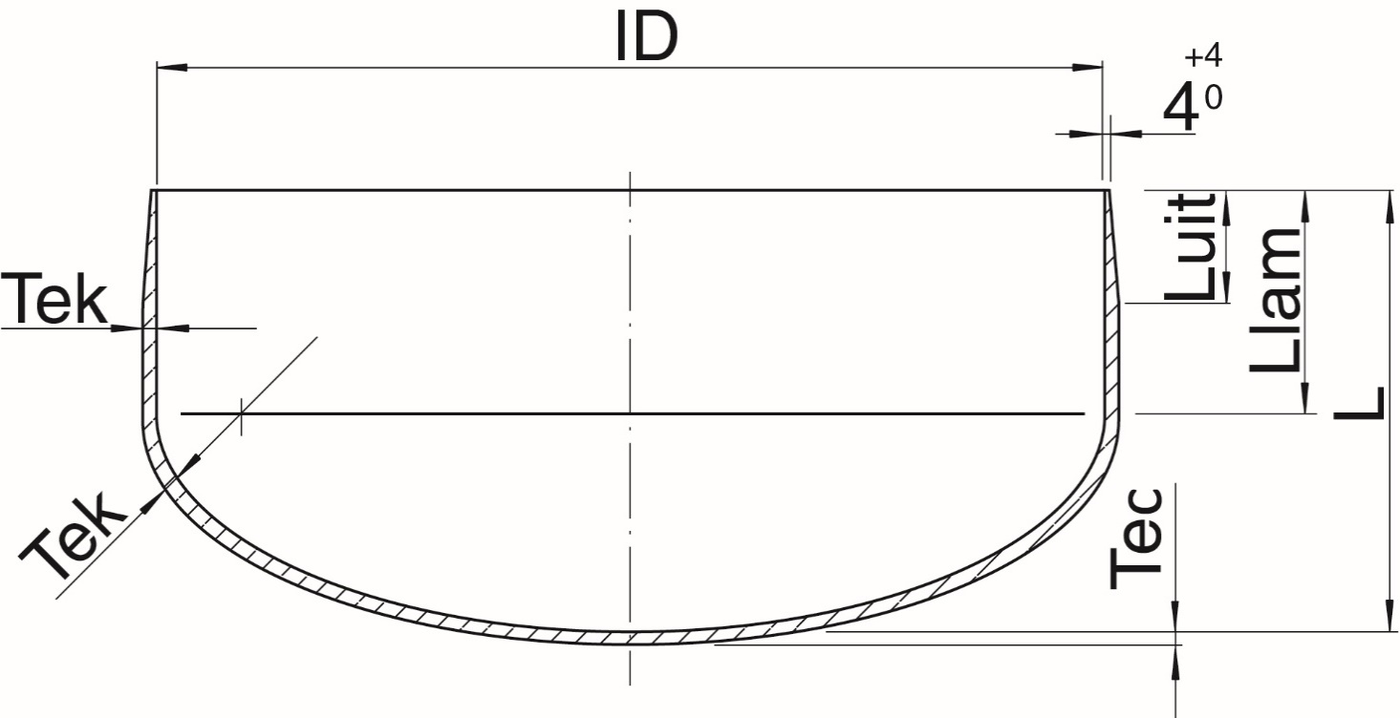
25125 | 25 | 125 | 360 | 320 | 320 | 36 | 1.20 | 4 | 20 | 50.0 | 360 | 50 | 25 | 24 | 9 | 2 | 7
32125 | 32 | 125 | 360 | 355 | 355 | 48 | 1.70 | 6 | 20 | 50.0 | 360 | 50 | 25 | 36 | 12 | 3 | 9
20150 | 20 | 150 | 360 | 350 | 350 | 36 | 1.20 | 4 | 25 | 62.5 | 360 | 60 | 30 | 24 | 9 | 2 | 7
25150 | 25 | 150 | 360 | 380 | 380 | 44 | 1.50 | 6 | 25 | 62.5 | 360 | 60 | 30 | 36 | 11 | 3 | 8
32150 | 32 | 150 | 360 | 420 | 420 | 56 | 2.00 | 8 | 25 | 62.5 | 360 | 60 | 30 | 48 | 14 | 4 | 10
16200 | 16 | 200 | 360 | 425 | 425 | 36 | 1.30 | 6 | 35 | 87.5 | 360 | 85 | 40 | 36 | 9 | 3 | 6
20200 | 20 | 200 | 360 | 460 | 460 | 48 | 1.60 | 6 | 35 | 87.5 | 360 | 85 | 40 | 36 | 12 | 3 | 9
25200 | 25 | 200 | 360 | 505 | 505 | 56 | 2.10 | 8 | 35 | 87.5 | 360 | 85 | 40 | 48 | 14 | 4 | 10
32200 | 32 | 200 | 360 | 560 | 560 | 72 | 2.70 | 10 | 35 | 87.5 | 360 | 85 | 40 | 60 | 18 | 5 | 13
12.5250 | 12.5 | 250 | 360 | 490 | 490 | 36 | 1.20 | 4 | 40 | 100.0 | 360 | 100 | 45 | 26 | 9 | 2 | 7
16250 | 16 | 250 | 360 | 535 | 535 | 44 | 1.60 | 6 | 40 | 100.0 | 360 | 100 | 45 | 39 | 11 | 3 | 8
20250 | 20 | 250 | 360 | 575 | 575 | 56 | 2.00 | 8 | 40 | 100.0 | 360 | 100 | 45 | 52 | 14 | 4 | 10
25250 | 25 | 250 | 360 | 630 | 630 | 72 | 2.50 | 10 | 40 | 100.0 | 360 | 100 | 45 | 65 | 18 | 5 | 13
32250 | 32 | 250 | 360 | 700 | 700 | 92 | 3.30 | 12 | 40 | 100.0 | 360 | 100 | 45 | 78 | 23 | 6 | 17
12.5300 | 12.5 | 300 | 360 | 590 | 590 | 44 | 1.50 | 6 | 50 | 125.0 | 360 | 125 | 55 | 39 | 11 | 3 | 8
16300 | 16 | 300 | 360 | 630 | 630 | 56 | 1.90 | 8 | 50 | 125.0 | 360 | 125 | 55 | 52 | 14 | 4 | 10
20300 | 20 | 300 | 360 | 685 | 685 | 68 | 2.40 | 8 | 50 | 125.0 | 360 | 125 | 55 | 52 | 17 | 4 | 13
25300 | 25 | 300 | 360 | 755 | 755 | 84 | 3.00 | 10 | 50 | 125.0 | 360 | 125 | 55 | 65 | 21 | 5 | 16
32300 | 32 | 300 | 360 | 840 | 840 | 108 | 4.00 | 14 | 50 | 125.0 | 360 | 125 | 55 | 91 | 27 | 7 | 20
8350 | 8 | 350 | 360 | 620 | 620 | 32 | 1.10 | 4 | 55 | 137.5 | 360 | 135 | 60 | 26 | 8 | 2 | 6
10350 | 10 | 350 | 360 | 650 | 650 | 40 | 1.30 | 6 | 55 | 137.5 | 360 | 135 | 60 | 39 | 10 | 3 | 7
12.5350 | 12.5 | 350 | 360 | 685 | 685 | 48 | 1.70 | 6 | 55 | 137.5 | 360 | 135 | 60 | 39 | 12 | 3 | 9
16350 | 16 | 350 | 360 | 740 | 740 | 64 | 2.20 | 8 | 55 | 137.5 | 360 | 135 | 60 | 52 | 16 | 4 | 12
20350 | 20 | 350 | 360 | 800 | 800 | 76 | 2.80 | 10 | 55 | 137.5 | 360 | 135 | 60 | 65 | 19 | 5 | 14
25350 | 25 | 350 | 360 | 880 | 880 | 96 | 3.60 | 12 | 55 | 137.5 | 360 | 135 | 60 | 78 | 24 | 6 | 18
8400 | 8 | 400 | 360 | 705 | 705 | 36 | 1.20 | 4 | 65 | 162.5 | 360 | 160 | 70 | 26 | 9 | 2 | 7
10400 | 10 | 400 | 360 | 745 | 745 | 44 | 1.50 | 6 | 65 | 162.5 | 360 | 160 | 70 | 39 | 11 | 3 | 8
12.5400 | 12.5 | 400 | 360 | 785 | 785 | 56 | 2.00 | 8 | 65 | 162.5 | 360 | 160 | 70 | 52 | 14 | 4 | 10
16400 | 16 | 400 | 360 | 840 | 840 | 72 | 2.50 | 10 | 65 | 162.5 | 360 | 160 | 70 | 65 | 18 | 5 | 13
20400 | 20 | 400 | 360 | 910 | 910 | 88 | 3.20 | 12 | 65 | 162.5 | 360 | 160 | 70 | 78 | 22 | 6 | 16
25400 | 25 | 400 | 360 | 1005 | 1005 | 112 | 4.10 | 14 | 65 | 162.5 | 360 | 160 | 70 | 91 | 28 | 7 | 21
8450 | 8 | 450 | 360 | 800 | 800 | 40 | 1.40 | 6 | 70 | 175.0 | 360 | 175 | 75 | 42 | 10 | 3 | 7
10450 | 10 | 450 | 360 | 840 | 840 | 52 | 1.70 | 6 | 70 | 175.0 | 360 | 175 | 75 | 42 | 13 | 3 | 10
12.5450 | 12.5 | 450 | 360 | 880 | 880 | 60 | 2.20 | 8 | 70 | 175.0 | 360 | 175 | 75 | 56 | 15 | 4 | 11
16450 | 16 | 450 | 360 | 950 | 950 | 80 | 2.80 | 10 | 70 | 175.0 | 360 | 175 | 75 | 70 | 20 | 5 | 15
20450 | 20 | 450 | 360 | 1030 | 1030 | 100 | 3.60 | 12 | 70 | 175.0 | 360 | 175 | 75 | 84 | 25 | 6 | 19
25450 | 25 | 450 | 360 | 1130 | 1130 | 124 | 4.50 | 16 | 70 | 175.0 | 360 | 175 | 75 | 112 | 31 | 8 | 23
8500 | 8 | 500 | 360 | 885 | 885 | 44 | 1.50 | 6 | 80 | 200.0 | 360 | 200 | 85 | 42 | 11 | 3 | 8
10500 | 10 | 500 | 360 | 925 | 925 | 56 | 1.90 | 8 | 80 | 200.0 | 360 | 200 | 85 | 56 | 14 | 4 | 10
12.5500 | 12.5 | 500 | 360 | 980 | 980 | 68 | 2.50 | 10 | 80 | 200.0 | 360 | 200 | 85 | 70 | 17 | 5 | 12
16500 | 16 | 500 | 360 | 1050 | 1050 | 88 | 3.20 | 12 | 80 | 200.0 | 360 | 200 | 85 | 84 | 22 | 6 | 16
20500 | 20 | 500 | 360 | 1145 | 1145 | 108 | 4.00 | 14 | 80 | 200.0 | 360 | 200 | 85 | 98 | 27 | 7 | 20
25500 | 25 | 500 | 360 | 1255 | 1255 | 136 | 5.10 | 18 | 80 | 200.0 | 360 | 200 | 85 | 126 | 34 | 9 | 25
8600 | 8 | 600 | 360 | 1055 | 1055 | 52 | 1.90 | 8 | 95 | 237.5 | 360 | 235 | 105 | 52 | 13 | 4 | 9
10600 | 10 | 600 | 360 | 1110 | 1110 | 64 | 2.40 | 8 | 95 | 237.5 | 360 | 235 | 105 | 52 | 16 | 4 | 12
12.5600 | 12.5 | 600 | 360 | 1175 | 1175 | 80 | 2.90 | 10 | 95 | 237.5 | 360 | 235 | 105 | 65 | 20 | 5 | 15
16600 | 16 | 600 | 360 | 1260 | 1260 | 104 | 3.80 | 14 | 95 | 237.5 | 360 | 235 | 105 | 91 | 26 | 7 | 19
20600 | 20 | 600 | 360 | 1365 | 1365 | 128 | 4.80 | 16 | 95 | 237.5 | 360 | 235 | 105 | 104 | 32 | 8 | 24
25600 | 25 | 600 | 360 | 1490 | 1490 | 164 | 6.10 | 22 | 95 | 237.5 | 360 | 235 | 105 | 143 | 41 | 11 | 30
8700 | 8 | 700 | 360 | 1235 | 1235 | 60 | 2.20 | 8 | 110 | 275.0 | 360 | 270 | 120 | 52 | 15 | 4 | 11
10700 | 10 | 700 | 360 | 1290 | 1290 | 76 | 2.70 | 10 | 110 | 275.0 | 360 | 270 | 120 | 65 | 19 | 5 | 14
12.5700 | 12.5 | 700 | 360 | 1370 | 1370 | 92 | 3.40 | 12 | 110 | 275.0 | 360 | 270 | 120 | 78 | 23 | 6 | 17
16700 | 16 | 700 | 360 | 1465 | 1465 | 120 | 4.40 | 16 | 110 | 275.0 | 360 | 270 | 120 | 104 | 30 | 8 | 22
20700 | 20 | 700 | 360 | 1590 | 1500 | 152 | 5.60 | 20 | 110 | 275.0 | 360 | 270 | 120 | 130 | 38 | 10 | 28
8750 | 8 | 750 | 360 | 1320 | 1320 | 64 | 2.30 | 8 | 120 | 300.0 | 360 | 295 | 130 | 52 | 16 | 4 | 12
10750 | 10 | 750 | 360 | 1385 | 1385 | 80 | 2.90 | 10 | 120 | 300.0 | 360 | 295 | 130 | 65 | 20 | 5 | 15
12.5750 | 12.5 | 750 | 360 | 1465 | 1465 | 100 | 3.60 | 12 | 120 | 300.0 | 360 | 295 | 130 | 78 | 25 | 6 | 19
16750 | 16 | 750 | 360 | 1575 | 1500 | 128 | 4.70 | 16 | 120 | 300.0 | 360 | 295 | 130 | 104 | 32 | 8 | 24
20750 | 20 | 750 | 360 | 1700 | 1500 | 160 | 6.00 | 20 | 120 | 300.0 | 360 | 295 | 130 | 130 | 40 | 10 | 30
8800 | 8 | 800 | 360 | 1405 | 1405 | 68 | 2.50 | 10 | 125 | 312.5 | 360 | 310 | 135 | 70 | 17 | 5 | 12
10800 | 10 | 800 | 360 | 1470 | 1470 | 84 | 3.10 | 12 | 125 | 312.5 | 360 | 310 | 135 | 84 | 21 | 6 | 15
12.5800 | 12.5 | 800 | 360 | 1565 | 1500 | 108 | 3.90 | 14 | 125 | 312.5 | 360 | 310 | 135 | 98 | 27 | 7 | 20
16800 | 16 | 800 | 360 | 1675 | 1500 | 136 | 5.00 | 18 | 125 | 312.5 | 360 | 310 | 135 | 126 | 34 | 9 | 25
20800 | 20 | 800 | 360 | 1815 | 1500 | 172 | 6.40 | 22 | 125 | 312.5 | 360 | 310 | 135 | 154 | 43 | 11 | 32
8900 | 8 | 900 | 360 | 1585 | 1500 | 76 | 2.80 | 10 | 140 | 350.0 | 360 | 345 | 150 | 70 | 19 | 5 | 14
10900 | 10 | 900 | 360 | 1665 | 1500 | 96 | 3.50 | 12 | 140 | 350.0 | 360 | 345 | 150 | 84 | 24 | 6 | 18
12.5900 | 12.5 | 900 | 360 | 1760 | 1500 | 120 | 4.40 | 16 | 140 | 350.0 | 360 | 345 | 150 | 112 | 30 | 8 | 22
16900 | 16 | 900 | 360 | 1885 | 1500 | 152 | 5.70 | 20 | 140 | 350.0 | 360 | 345 | 150 | 140 | 38 | 10 | 28
81000 | 8 | 1000 | 360 | 1755 | 1500 | 84 | 3.10 | 12 | 155 | 387.5 | 360 | 385 | 165 | 84 | 21 | 6 | 15
101000 | 10 | 1000 | 360 | 1845 | 1500 | 104 | 3.80 | 14 | 155 | 387.5 | 360 | 385 | 165 | 98 | 26 | 7 | 19
12.51000 | 12.5 | 1000 | 360 | 1955 | 1500 | 132 | 4.90 | 18 | 155 | 387.5 | 360 | 385 | 165 | 126 | 33 | 9 | 24
161000 | 16 | 1000 | 360 | 2095 | 1500 | 168 | 6.40 | 22 | 155 | 387.5 | 360 | 385 | 165 | 154 | 42 | 11 | 31
81100 | 8 | 1100 | 360 | 1935 | 1500 | 92 | 3.30 | 12 | 175 | 437.5 | 360 | 430 | 190 | 78 | 23 | 6 | 17
101100 | 10 | 1100 | 360 | 2030 | 1500 | 116 | 4.20 | 16 | 175 | 437.5 | 360 | 430 | 190 | 104 | 29 | 8 | 21
12.51100 | 12.5 | 1100 | 360 | 2140 | 1500 | 144 | 5.40 | 18 | 175 | 437.5 | 360 | 430 | 190 | 117 | 36 | 9 | 27
81200 | 8 | 1200 | 360 | 2105 | 1500 | 100 | 3.70 | 14 | 190 | 475.0 | 360 | 470 | 205 | 98 | 25 | 7 | 18
101200 | 10 | 1200 | 360 | 2210 | 1500 | 124 | 4.70 | 16 | 190 | 475.0 | 360 | 470 | 205 | 112 | 31 | 8 | 23
12.51200 | 12.5 | 1200 | 360 | 2335 | 1500 | 156 | 5.80 | 20 | 190 | 475.0 | 360 | 470 | 205 | 140 | 39 | 10 | 29
81400 | 8 | 1400 | 360 | 2455 | 1500 | 116 | 4.30 | 16 | 220 | 550.0 | 360 | 545 | 235 | 112 | 29 | 8 | 21
101400 | 10 | 1400 | 360 | 2575 | 1500 | 148 | 5.40 | 18 | 220 | 550.0 | 360 | 545 | 235 | 126 | 37 | 9 | 28
81600 | 8 | 1600 | 360 | 2805 | 1500 | 132 | 4.90 | 18 | 250 | 625.0 | 360 | 615 | 270 | 126 | 33 | 9 | 24
101600 | 10 | 1600 | 360 | 2940 | 1500 | 168 | 6.20 | 22 | 250 | 625.0 | 360 | 615 | 270 | 154 | 42 | 11 | 31

 |  |  |  |  | =AFRONDEN.BOVEN.WISK(J91*2*H91;5)

Manhole Bottom
Item | PN | ID | SH | Tec | Tek | SB | Omtrek Mal | HB | Weight | B2 | OD | Groot Weefsel | Groot Weefsel |  | Aantal
[-] | bar | mm | N/mm² | mm | mm | mm | mm | mm | kg | [mm] | [mm] | Type | Lengte | Breedte | [-]
1400 | 1 | 400 | 17 | 7.0 | 7.0 | 45 | 582.59 | 125.0 | 2.97 | 407.6 | 421.6 | 360 | 585 | 585 | 24 |  | 800 | 600
1450 | 1 | 450 | 17 | 7.0 | 7.0 | 75 |  |  | 4.21 |  | 14 | 360 | - | - | 24 | Mal aanwezig, geen gereedschapstekening
1500 | 1 | 500 | 17 | 7.0 | 7.0 | 75 |  |  | 5.02 |  | 14 | 360 |  | 0 | 24
1600 | 1 | 600 | 17 | 7.0 | 7.0 | 75 | 886.45 | 190.0 | 6.87 | 610.9 | 624.9 | 360 | 890 | 890 | 24 |  | 1000 | 900
1700 | 1 | 700 | 17 | 7.0 | 7.0 | 75 |  |  | 8.99 |  | 14 | 360 | - | - | 24 | Geen Mal, Geen ger.tekening
1750 | 1 | 750 | 17 | 7.0 | 7.0 | 75 |  |  | 10.16 |  | 14 | 360 | - | - | 24 | Geen Mal, Geen ger.tekening
1800 | 1 | 800 | 17 | 7.0 | 7.0 | 75 | 1073.98 | 152.0 | 11.39 | 814.3 | 828.3 | 360 | 1075 | 1075 | 24 |  | 1300 | 1200
1900 | 1 | 900 | 17 | 7.0 | 7.0 | 75 |  |  | 14.07 |  | 14 | 360 | - | - | 24 | Geen Mal, Geen ger.tekening
11000 | 1 | 1000 | 17 | 9.0 | 9.0 | 75 | 1454.76 | 305.0 | 21.91 | 1017.5 | 1035.5 | 360 | 1455 | 1455 | 32 |  | 1500 | 1300
11200 | 1 | 1200 | 17 | 9.0 | 9.0 | 75 | 1580.25 | 280.0 | 30.60 | 1220.7 | 1238.7 | 360 | 1585 | 1500 | 32 |  | 1600 | 1300
11400 | 1 | 1400 | 17 | 13.7 | 13.7 | 90 | 1840.28 | 310.0 | 63.68 | 1423.6 | 1451 | 360 | 1845 | 1500 | 48 |  | 1800 | 1300
 |  |  |  |  |  |  | From Tool | Not calculated
 |  |  |  |  |  |  | Drawing | from tool drawing |  |  |  |  |  | =AFRONDEN.BOVEN.WISK(J13*2*H13;5)
1 | 2 | 3 | 4 | 5 | 6 | 7 | 8 | 9 | 10 | 11 | 12 | 13 | 14 | 15 | 16

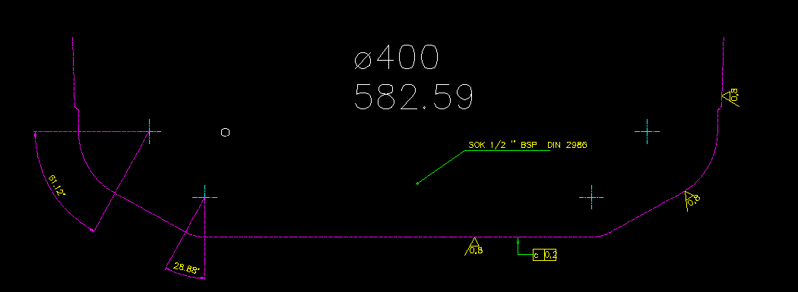
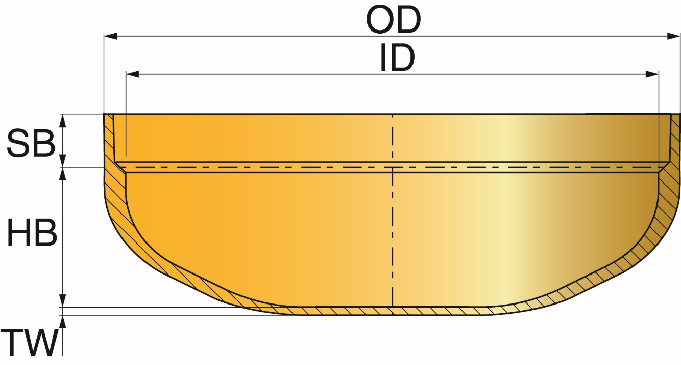

 |  | ID1400
Recht |  | 900
1e bolling |  | 62.67 | 147 | 923.62824016 | 360.0 | 0.3 | 321.57656561 | 1221.5765656
2e bollign |  | 27.33 | 250 | 1570.7963268 | 360.0 | 0.2 | 238.49924229 | 1460.0758079 | 1500mm komt voorbij de knuckle

Glass_Endcap_DU
2 | 3 | 4 | 5 | 6 | 7 | 8 | 9 | 10 | 11 | 12 | 13 | 14 | 15 | 16 | 17 | 18 | 19 | 20 | 21 | 22

 |  |  |  |  |  |  |  |  | PROCES GEGEVENS OP MAL GEWIKKELD ENDCAP PL - A0Q8

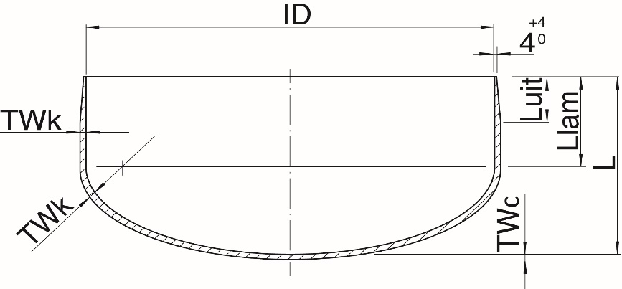
 |  |  |  |  |  |  | Binnendiameter | ID | mm | = | 600
 |  |  |  |  |  |  | Nominale drukklasse | PN | bar | = | 12.5
 |  |  |  |  |  |  | Wanddikte Dome | TWc | mm | = | 23.8
 |  |  |  |  |  |  | Wanddikte Knuckle | TWk | mm | = | 26.7
 |  |  |  |  |  |  | Inbouwmaat | L | mm | = | 335
 |  |  |  |  |  |  | Lamineerlengte | Llam | mm | = | 180
 |  |  |  |  |  |  | Aanschuining (15°) | Luit | mm | = | 82

 |  |  |  |  |  |  |  |  |  |  | Liner |  |  | Grote Weefsel Matten |  |  | Klein Weefsel Matten

 |  |  |  |  |  |  |  |  | WEEFSEL TYPE (g/m²) |  |  | 30 |  |  | 360 |  |  | 360

 |  |  |  |  |  |  |  |  | LENGTE x BREEDTE |  | 1175 | x | 1175 | 1175 | x | 1175 | 105 | x | 235
 |  |  |  |  |  |  |  |  | [mm] x [mm]

 |  |  |  |  |  |  |  |  | AANTAL / CYCLUS |  |  | 2 |  |  | 4 |  |  | 4

 |  |  |  |  |  |  |  |  | CYCLI |  |  | 1 |  |  | 20 |  |  | 5
 |  |  |  |  |  |  |  |  | CYCLI 1e deel* |  |  |  |  |  | (15)

 |  |  |  |  |  |  |  |  | TOTAAL AANTAL |  |  | 2 |  |  | 80 |  |  | 65

 |  |  |  |  |  |  |  |  | *Opbouw: | eerst 15 Cycli Grote Weefsel Matten, daarna 5 Klein-Groot afwisseld

 |  |  |  |  |  |  | Eerst 1 mat afknippen en proberen op de mal. Wijzigingen melden op dit formulier en inleveren bij teamleider! |  |  |  |  |  |  |  |  |  |  |  | Glass Calculation Fittings | Version 4
 |  |  |  |  |  |  | Graag volgnummer noteren. |  |  |  |  |  |  |  |  |  |  |  | 2019-11-20

Glass_Endcap_EN
2 | 3 | 4 | 5 | 6 | 7 | 8 | 9 | 10 | 11 | 12 | 13 | 14 | 15 | 16 | 17 | 18 | 19 | 20 | 21 | 22

 |  |  |  |  |  |  |  |  | PROCESS DATA MOLDED ENDCAP PL - A0Q8

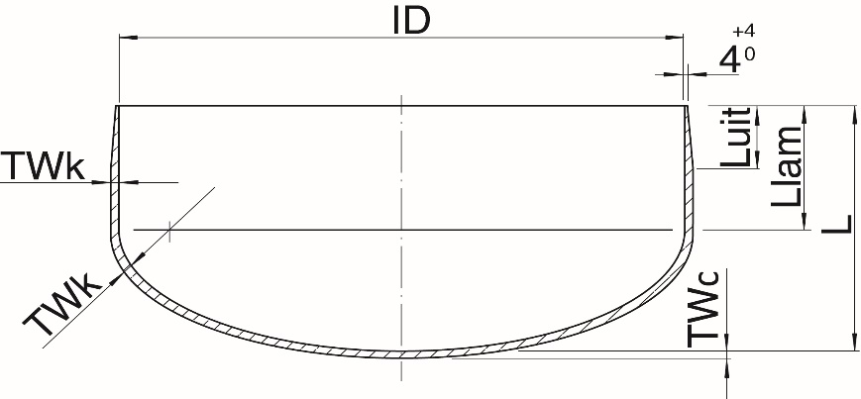
 |  |  |  |  |  |  | Inner diameter | ID | mm | = | 600
 |  |  |  |  |  |  | Nominal Pressure Class | PN | bar | = | 12.5
 |  |  |  |  |  |  | Wall thickness Dome | TWc | mm | = | 23.8
 |  |  |  |  |  |  | Wall thickness Knuckle | TWk | mm | = | 26.7
 |  |  |  |  |  |  | Built-in Length | L | mm | = | 335
 |  |  |  |  |  |  | Lamination Length | Llam | mm | = | 180
 |  |  |  |  |  |  | Chamfer (15°) | Luit | mm | = | 82

 |  |  |  |  |  |  |  |  |  |  | Liner |  |  | Big Woven Roving |  |  | Small Woven Roving

 |  |  |  |  |  |  |  | WOVEN ROVING TYPE (g/m²) |  |  |  | 30 |  |  | 360 |  |  | 360

 |  |  |  |  |  |  |  |  | LENGTH x WIDTH |  | 1175 | x | 1175 | 1175 | x | 1175 | 105 | x | 235
 |  |  |  |  |  |  |  |  | [mm] x [mm]

 |  |  |  |  |  |  |  |  | NUMBER / CYCLE |  |  | 2 |  |  | 4 |  |  | 4

 |  |  |  |  |  |  |  |  | CYCLI |  |  | 1 |  |  | 20 |  |  | 5
 |  |  |  |  |  |  |  |  | CYCLI 1st part* |  |  |  |  |  | (15)

 |  |  |  |  |  |  |  |  | TOTAL NUMBER |  |  | 2 |  |  | 80 |  |  | 65

 |  |  |  |  |  |  |  |  | *Build-up: | first 15 Cycli Big Woven Roving, then 5 Small-Big alternating

 |  |  |  |  |  |  |  |  | Report changes on this form and hand in with team leader! |  |  |  |  |  |  |  |  |  | Glass Calculation Fittings | Version 4
 |  |  |  |  |  |  |  |  |  |  |  |  |  |  |  |  |  |  | 2019-11-20

Glass_Bottom_DU
2 | 3 | 4 | 5 | 6 | 7 | 8 | 9 | 10 | 11 | 12 | 13 | 14 | 15 | 16

 |  |  |  |  |  |  | PROCES GEGEVENS OP MAL GEWIKKELD MANHOLE BOTTOM SB - A0Q8

 |  |  | Binnendiameter | ID | mm | = | 1400
 |  |  | Nominale drukklasse | PN | bar | = | 1
 |  |  | Buitendiameter | OD | mm | = | 1451
 |  |  | Wanddikte Bodem | TW | mm | = | 13.7
 |  |  | Lijmlengte | SB | mm | = | 90
 |  |  | Hoogte maat* | HB | mm | = | 310
 |  |  | * exclusief wanddikte

 |  |  |  |  |  |  |  |  | Liner |  |  | Grote Weefsel Matten

 |  |  |  |  |  |  | WEEFSEL TYPE (g/m²) |  |  | 30 |  |  | 360

 |  |  |  |  |  |  | LENGTE x BREEDTE |  | 1845 | x | 1500 | 1845 | x | 1500
 |  |  |  |  |  |  | [mm] x [mm]

 |  |  |  |  |  |  | AANTAL / CYCLUS |  |  | 2 |  |  | 4

 |  |  |  |  |  |  | CYCLI |  |  | 1 |  |  | 12

 |  |  |  |  |  |  | TOTAAL AANTAL |  |  | 2 |  |  | 48

 |  | Eerst 1 mat afknippen en proberen op de mal. Wijzigingen melden op dit formulier en inleveren bij teamleider! |  |  |  |  |  |  |  |  |  |  |  | Glass Calculation Fittings | Version 4
 |  | Graag volgnummer noteren. |  |  |  |  |  |  |  |  |  |  |  | 2019-11-20

Glass_EN
 |  |  |  |  |  |  |  |  | PROCESS DATA FOR MOLDED WAVISTRONG T-PIECE CB/CB-CB

Inner diameter (mm) | ID | x | ID1 | = | 400 | x | 400
Nominal pressure class |  | PN | (bar) | = |  | 16.0
Wall Thickness |  | Tw | (mm) | = |  | 11.1
 |  | (L) | (mm) | = |  | 560 |  |  |  |  |  |  |  |  |  |  |  |  | Width (W)
 |  | (L1) | (mm) | = |  | 280
 |  | Lo | (mm) | = |  | 764
 |  | Lo1 | (mm) | = |  | 382 |  |  |  |  |  |  |  |  |  |  | Length (L)

LAMINEERSTAP |  | 1 |  |  | 2 |  |  | 3 |  |  | 4 |  |  | 5 |  |  | 6 |  |  | 7

WOVEN ROVING (g/m2) |  | 30 |  |  | 30 |  |  | 360 |  |  | 360 |  |  | 360 |  |  | 360 |  |  | 360

LENGTH (L) x WIDTH (W) | 1200 | x | 570 | 200 | x | 200 | 1200 | x | 570 | Width (W) |  | 50 | 280 | x | 570 | 1430 | x | 760 | Width (W) |  | 100
[mm] x [mm]
NUMBER / CYCLE (-) |  | 2 |  |  | 4 |  |  | 1 |  |  | 120 | m |  | 8 |  |  | 4 |  |  | 60 | m

NUMBER OF CYCLES (-) |  | 1 |  |  | 1 |  |  | 1 |  |  | 1 |  |  | 5 |  |  | 5 |  |  | 5

TOTAL NUMBER (-) |  | 2 |  |  | 4 |  |  | 1 |  |  | 120 | m |  | 42 | * |  | 20 |  |  | 300 | m
 |  | C-glass Big |  |  | C-glass Small |  |  | Wov. Rov. Big |  |  | Winding |  |  | Wov. Rov. Small |  |  | Big 360 |  |  | Winding
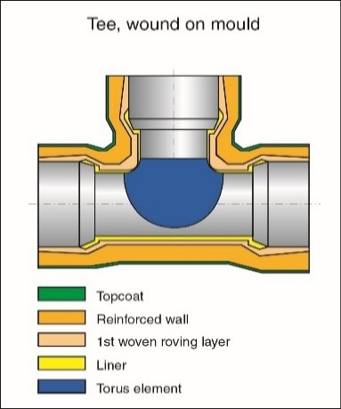
 | ONTW-W51 Hulpstukken
 | Step 1: C-glass (BIG) |  |  |  |  |  |  |  | Write changes on the form and hand in with team leader!
 | Step 2: C-glass (SMALL)
 | Step 3: First layer Woven Roving
 | Step 4: Winding Woven Roving
 | Step 5: Woven Roving (SMALL)
 | Step 6: Woven Roving (BIG)
 | Step 7: Winding Woven Roving

 | Note: Pictures are CB/CB-CB as an example.
 | Note*: 2 additional small woven roving. |  |  |  |  |  |  |  |  |  |  |  |  |  |  |  |  |  |  |  | Glass Calculation Fittings | Version 4
 |  |  |  |  |  |  |  |  |  |  |  |  |  |  |  |  |  |  |  |  | 2019-11-20

Glass_Spec_EN
 |  |  |  |  |  |  |  |  | PROCESS DATA FOR MOLDED SPECIAL WAVISTRONG T-PIECE CB/CB-CB -

Inner diameter (mm) | ID | x | ID1 | = | 400 | x | 400
Nominal pressure class |  | PN | (bar) | = |  | 16.0
Wall Thickness |  | Tw | (mm) | = |  | 11.1
 |  | (L) | (mm) | = |  | 560 |  |  |  |  |  |  |  |  |  |  |  |  | Width (W)
 |  | (L1) | (mm) | = |  | 280
 |  | Lo | (mm) | = |  | 764
 |  | Lo1 | (mm) | = |  | 382 |  |  |  |  |  |  |  |  |  |  | Length (L)

LAMINEERSTAP |  | 1 |  |  | 2 |  |  | 3 |  |  | 4 |  |  | 5 |  |  | 6 |  |  | 7

WOVEN ROVING (g/m2) |  | 30 |  |  | 30 |  |  | 360 |  |  | 360 |  |  | 360 |  |  | 360 |  |  | 360

LENGTH (L) x WIDTH (W) | 1200 | x | 570 | 200 | x | 200 | 1200 | x | 570 | Width (W) |  | 50 | 280 | x | 570 | 1430 | x | 760 | Width (W) |  | 100
[mm] x [mm]
NUMBER / CYCLE (-) |  | 2 |  |  | 4 |  |  | 1 |  |  | 120 | m |  | 8 |  |  | 4 |  |  | 60 | m

NUMBER OF CYCLES (-) |  | 1 |  |  | 1 |  |  | 1 |  |  | 1 |  |  | 5 |  |  | 5 |  |  | 5

TOTAL NUMBER (-) |  | 2 |  |  | 4 |  |  | 1 |  |  | 120 | m |  | 42 | * |  | 20 |  |  | 300 | m
 |  | C-glass Big |  |  | C-glass Small |  |  | Wov. Rov. Big |  |  | Winding |  |  | Wov. Rov. Small |  |  | Big 360 |  |  | Winding

SPECIAL PRODUCT
 | ONTW-W51 Hulpstukken
 | Step 1: C-glass (BIG) |  |  |  |  |  |  |  | Write changes on the form and hand in with team leader!
 | Step 2: C-glass (SMALL)
 | Step 3: First layer Woven Roving
 | Step 4: Winding Woven Roving
 | Step 5: Woven Roving (SMALL)
 | Step 6: Woven Roving (BIG)
 | Step 7: Winding Woven Roving

 | Note: Pictures are CB/CB-CB as an example.
 | Note*: 2 additional small woven roving. |  |  |  |  |  |  |  |  |  |  |  |  |  |  |  |  |  |  |  | Glass Calculation Fittings | Version 4
 |  |  |  |  |  |  |  |  |  |  |  |  |  |  |  |  |  |  |  |  | 2019-11-20

